PO
 |  |  |  | PURCHASE ORDER
 |  |  | Date: | 2018-01-30
 |  |  | Reference: | SQ432
 |  |  | Payment Terms: | 100% Cash Advance
 |  |  | Shipment Mode: | By Sea
 |  |  | Shipment Terms: | Ex Factory

EXPORTER:

Representative of the Importer: |  | SHIP TO:
NOSHAN GENERAL TRADING LLC
DUBAI, UAE

S.R No. | Description | Qty. | Unit | Unit Price | Amount
1

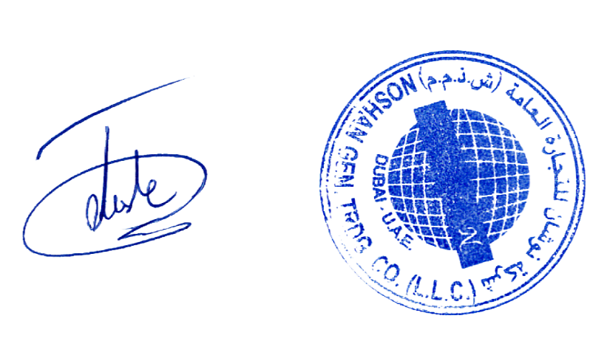
Amount in Words: |  |  |  | Sub-Total | AED -
 |  |  |  | Others | AED -
 |  |  |  | Total Amount | AED -
Packing : In Container
Origin: China
Loading Port : Port of Beijing, China
Discharge Port: Port of Istanbul, Turkey

Prepared By : _______________________________________________________

Kindly sign and stamp to accept : ________________________________________

PI
 |  |  |  | PROFORMA INVOICE
 |  |  | Date: | 2018-02-24
 |  |  | Reference: | PI432
 |  |  | Payment Terms: | 100% Cash Advance
 |  |  | Shipment Mode: | By Sea
 |  |  | Shipment Terms: | Ex Factory

EXPORTER:

Bill to the Representative of the Importer: |  | SHIP TO:

S.R No. | Description | Qty. | Unit | Unit Price | Amount
1


Amount in Words: |  |  |  | Sub-Total | AED -
 |  |  |  | Others | AED -
 |  |  |  | Total Amount | AED -
Packing : In Container
Origin: China
Loading Port : Port of Beijing, China
Discharge Port: Port of Istanbul, Turkey

Prepared By : _______________________________________________________

CI
COMMERCIAL INVOICE
DATE |  | PAYMENT TERMS | SHIPMENT MODE |  | SHIPMENT TERMS | REFERENCE
2018-03-04 |  | 100% CASH ADVANCE | BY SEA |  | EX FACTORY | CI432
EXPORTER: |  |  | SHIP TO IMPORTER:

COUNTRY OF MANUFACTURE |  |  | COUNTRY OF ULTIMATE DESTINATION
CHINA |  |  | TURKEY
SR. NO. | DESCRIPTION |  | QTY. | UNIT | PRICE | AMOUNT
1 |  |  |  |  |  | AED -

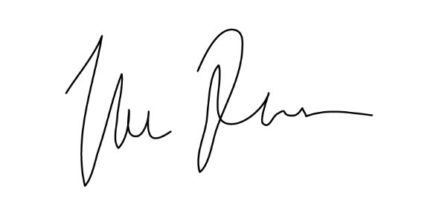
 |  |  |  |  | SUBTOTAL | AED -
Amount in Words: |  |  |  |  | OTHERS | AED -
0 |  |  |  |  | TOTAL | AED -

Packing: Container
Origin: China
Loading Port : Port of Beijing, China
Discharge Port: Port of Kayseri, Turkey
All other details as per our P/I No. PI432 dated 24-02-2018

I hereby certify that this invoice shows the actual price of goods described, that no other invoice has been issued, and
that all particulars are true and correct.

PL
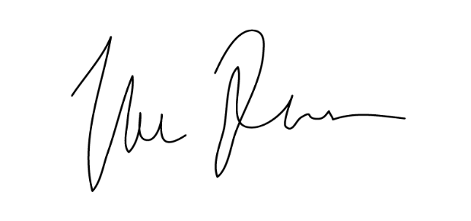
PACKING LIST
DATE |  | PAYMENT TERMS | SHIPMENT MODE | SHIPMENT TERMS | REFERENCE
2018-03-04 |  | 100% CASH ADVANCE | BY SEA | EX FACTORY | PL432
SHIPPER / EXPORTER |  |  | SHIP TO IMPORTER:

Tartiib General Trading Sdn.Bhd
Kuala Lumpur, Malaysia

COUNTRY OF MANUFACTURE |  |  | COUNTRY OF ULTIMATE DESTINATION
CHINA |  |  | TURKEY
SR. NO. | DESCRIPTION |  |  | QTY. | UNIT
1 | 0 |  |  | 0 | 0

Packing: Container
Origin: China
Loading Port : Port of Beijing, China
Discharge Port: Port of Kayseri, Turkey
All other details as per our P/I No. PI432 dated 24-02-2018

